Sheet1
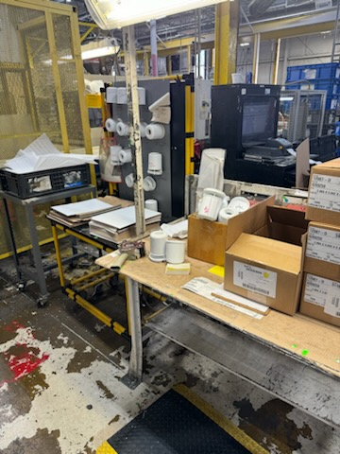
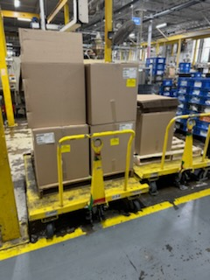
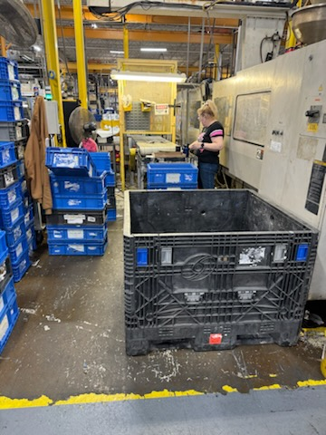
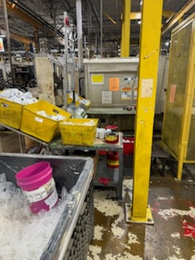
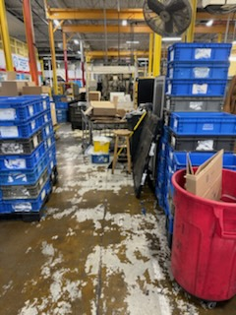
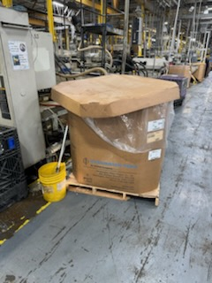
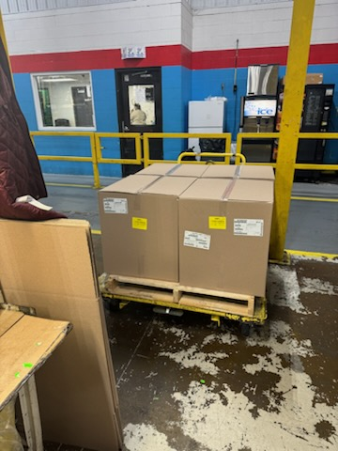
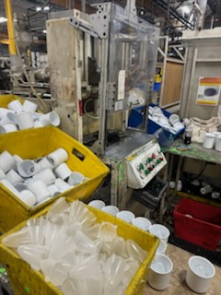
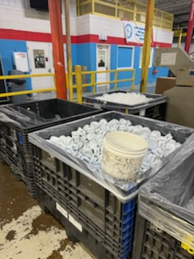
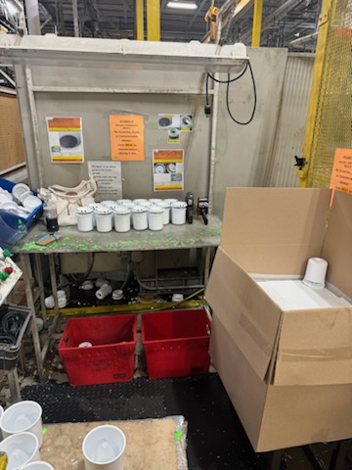
Project - Press 53 and Jaguar Dispenser assembly reorganization

Reson for project: reduce wasted steps for teammates, remove redundent work for utility drivers, promote better housekeeping, remove materials from the aisle way.

What was accomplished: The Jaguar operator had to carry a full box of finished good roughly 25 feet to put it on the skid, now the skid is right next to the assembly station. The 3 KD's of WIP part were stagged going into the cell. If the near KD was empty all of them would need removed to refill. Now all kd's are against the aisle. the 2 operators for press 53 are moved away from the machine and each have there own assembly station. their steps to the packout area have been reduced by 75%. was able to consolidate work stations and reduce the amount of tables needed by 2.

After Condition

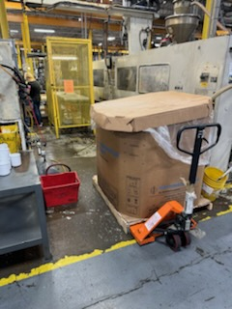
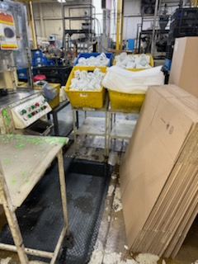
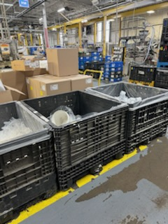
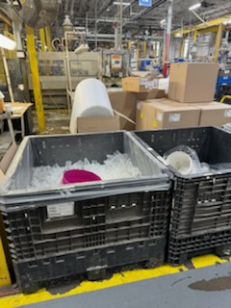
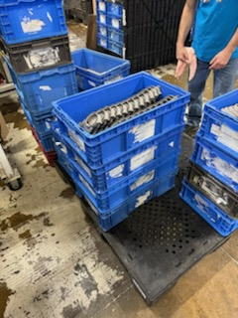
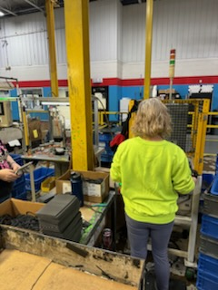
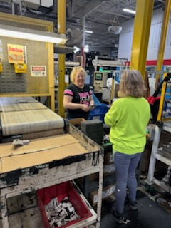

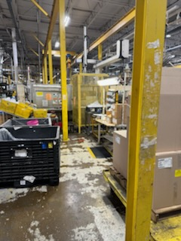

Before Condition

