Sheet1
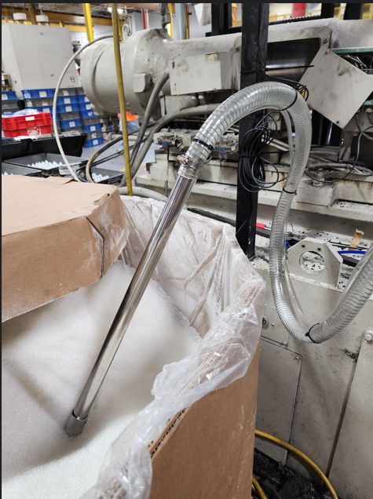
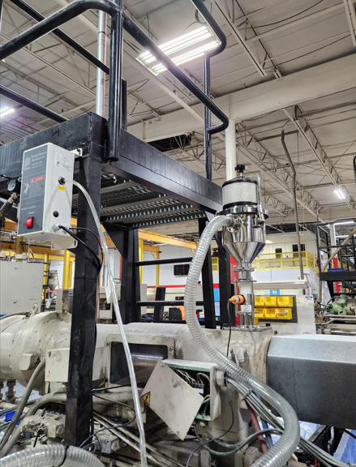
Project - Lost Material And Safety

Reson for project: Cost savings.Material Savings

What was accomplished: Cleaned up area, Replaced hopper loader, wand, and material feed system.

Before Condition

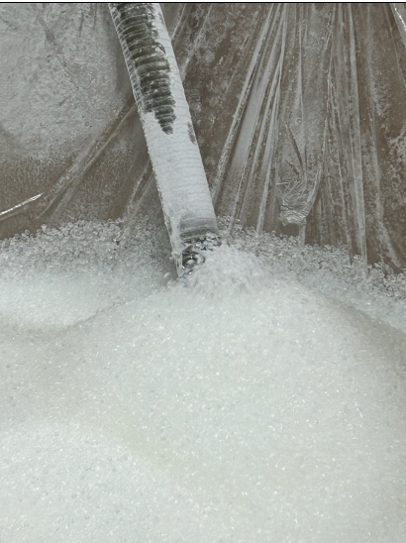

After Condition

