Sheet1
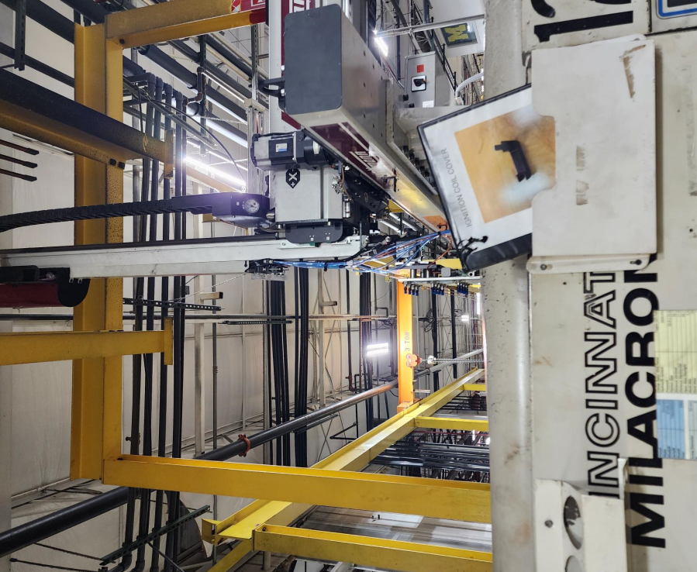
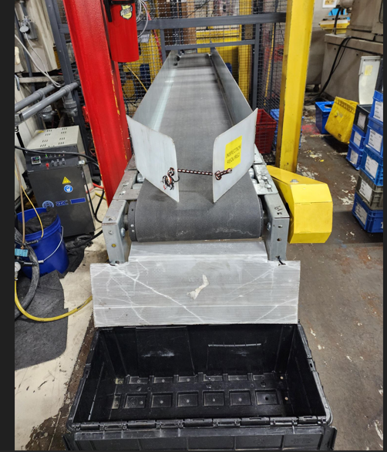
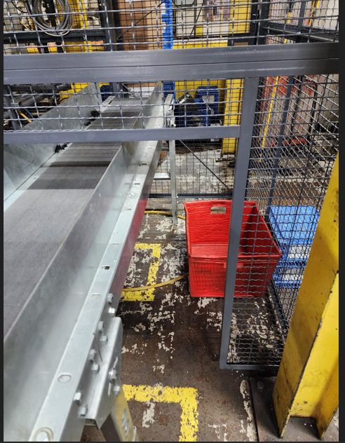
Project - Robot install for coil cover

Reson for project: we have poor quility and high scrap along with many complaints from the customer.

What was accomplished: Adding the robot has made it possible to separate the gate from the parts to make sorting parts easier. It also prevents parts from smashing in the mold, and if any short shots are made the robot will go down and not put the shorts in the bin with the good parts.

Before Condition

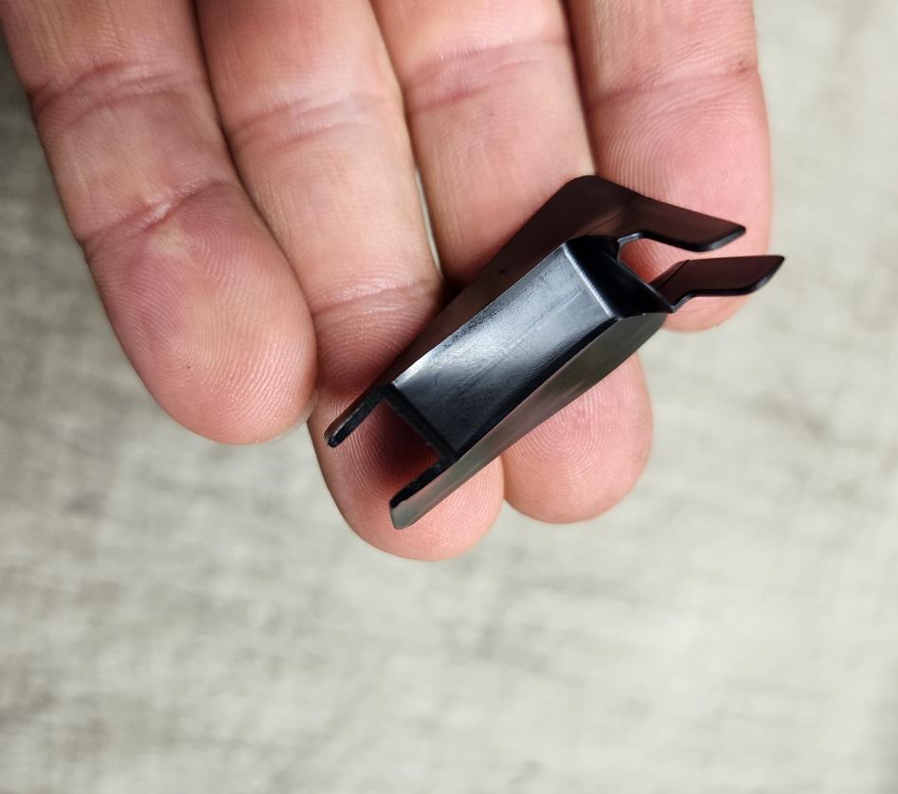
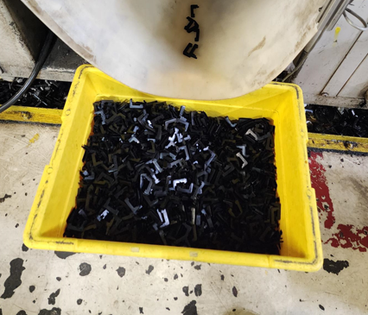
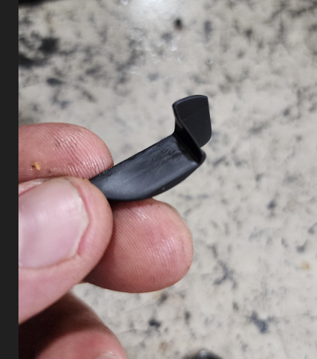

After Condition

