Sheet1
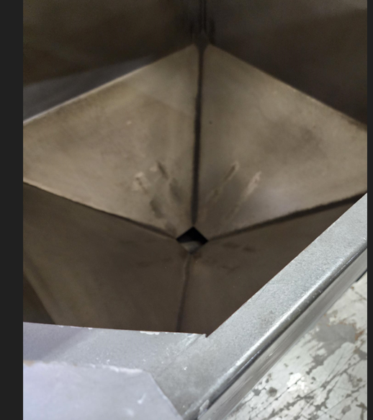
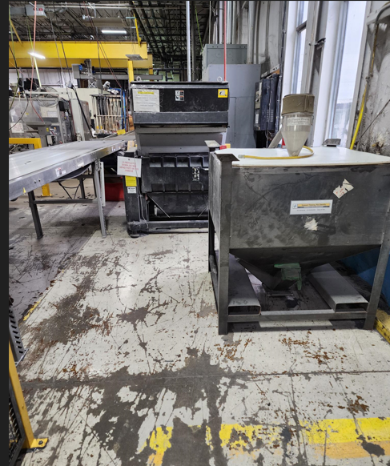
Project - Regrind Press 219

Reson for project: Cost savings.Material Savings

What was accomplished: Cleaned area from debris and clutter, cleaned regrind bin covered in aluminum, wood chunks and debris. Setup are for grinding to utilize runners and any scrap produced. Lines hooked up to loader at 5%

Before Condition

After Condition

